Landing Zone Diagram
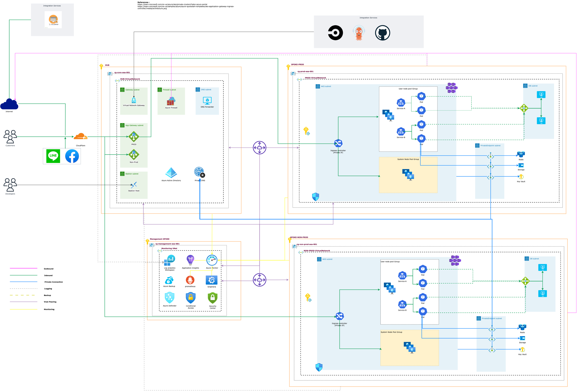

Example
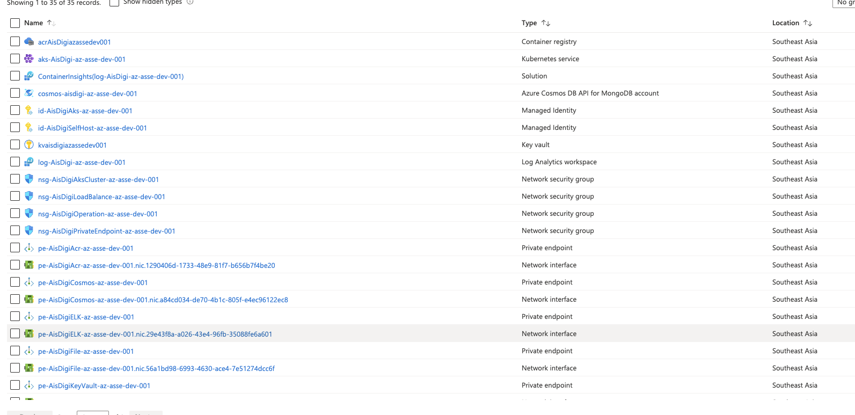

Application Service / Azure Function

Application Gateway

Azure SQL

Data Factory

Tagging
